1. Title Page
[Project Name]

Project Name: Instacart Grocery Basket Analysis
Date: 25/10/2024
Analyst Name: Jose Roberto Zambom Filho

Contents:
Population Flow
Consistency checks
Wrangling steps
Column derivations
Visualizations
Recommendations

2. Population Flow
Title page

Population flow

Exclusion flag
Condition: max_order <
Obervations to be removed:
Final total count of order_products_all:

Orders_products_combined
Orders_products_merged
Orders_products_all

Total: 32404859
Total: 32434489
Total: 32404859

1.) The grey boxes in the first row of the population flow represent the original data sets as they were when you downloaded them. In the Total fields you need to add the count of the rows when you imported the data set into Jupyter.
2.) The second row of boxes (coloured) represents the data sets after you manipulated them, e.g., removed missing values and duplicates. In the Total fields you need to add the count of the rows after conducting these operations. This offers a visual oveview of how the data flows throughout the data consistency checks.
3.) The third row, where also the arrows are coloured, represents the merges you performed between the datasets. In the Total fields you need to add the count of the rows in the merged datasets, so that you end up with the final dataset (in the red box). Keep in mind the final dataset should be without exclusions (based on the exclusion flag).

3. Consistency checks
 |  |  |  | Title page
Consistency checks

Dataset | Missing values | Missing values treatment | Duplicates
orders | days_since_prior_order (206209) | Added a new column first_order as flag variable | No duplicates found
products | product_name (16) | Removed them | dropped 5 duplicate rows
orders_products_prior | No missing values | NA | No duplicates found
customers | first_name (11,259) | Removed due to PII risk. | No duplicates

4. Wrangling steps
 |  |  |  | Title page
Wrangling steps

Columns dropped | Columns renamed | Columns' type changed | Comment/Reason
Orders | eval_set | N/A | Not necessary for Analysis
NA | order_dow | NA | Changed to orders_days_of_week, other name cause abiguosy
 |  | order_id | changed to string
 |  | user_id | changed to string
department |  | index | transposed dataset and aded an index and new header
customers |  |  | Not necessary for Analysis
 |  | user_id | change to string
 | FIRST_NAME |  | Changed to first_name for consistency
 | surnam |  | Change to surname for consistency
 | STATE |  | Changed to State for consistency
 | Age |  | Change to Age for consistency
 | fam_status |  | Changed to marital_status for consistency
 | Gender |  | Change to gender for consistency
first_name |  |  | Not necessary for Analysis
surname |  |  | Not necessary for Analysis

5. Column derivations
 |  |  |  |  |  | Title page

Column derivations and aggregations

In this tab you should add tables below that the frequences of flags/label variables that you produced after deriving them. NB: don't do this for continuous variables, only for flags.
Dataset | New column | Column/s it was derived from | Conditions
ords_prod_merge | price_range_loc | prices | if price is <=5 = 'Low-range product'
 |  |  | if price is >5 and <=15 = 'Mid-range product'
 |  |  | if price is >15 = 'High-range product
ords_prod_merge | busiest_day | order_dow | 0 (Saturday) = busiest day | price_range_loc | age_group
 |  |  | 4 (Wednesday) = least busy | Mid-range product 21860860 | Older Adult 12085297
 |  |  | any other day of the week = regularly busy | Low-range product 10126321 | Senior 7730834
ords_prod_merge | busiest_days | order_dow | 0 or 1 (Saturday or Sunday) = busiest days | High-range product 417678 | Adult 7283915
 |  |  | 3 or 4 (Tuesday or Wednesday) = slowest days | Name: count, dtype: int64 | Young Adult 3864518
 |  |  | any other day of the week = regular days
ords_prod_merge | busiest_period_of_day | order_hour_of_day | 10 (10:00 am) = most orders | busiest_day | income_group
 |  |  | 3 (3:00 am) = fewest orders | Regularly busy 22416875 | High 14207028
 |  |  | any other hour of the day = average orders | Busiest day 6204182 | Middle 13394982
ords_prod_merge | max_order | user_id, 'order_number' | This gets the maximum frequency of orders ('order_number') grouped by customer ('user_id'). | Least busy 3783802 | Low 3362554
ords_prod_merge | loyalty_flag | max_order | if max_order is >40, then labeled as "Loyal customer' | Name: count, dtype: int64 | Name: count, dtype: int64
 |  |  | if max_order is <=40 and >10, then labeled as "Regular customer'
 |  |  | if max_order is <=10, then labeled as 'New customer' | busiest_days | dependents_flag
ords_prod_merged | mean_price | user_id, 'prices' | This gets the average price purchased, grouped by 'user_id' | Regularly busy 12916111 | Has Dependents 23224883
ords_prod_merged | spender_type | avg_purchase_price | If avg_purchase_price <10, then labeled as 'Low spender' | Busiest days 11864412 | No Dependents 7739681
 |  |  | If avg_purchase_price >=10, then labeled as 'High spender' | Slowest days 7624336 | Name: count, dtype: int64
ords_prod_merged | median_prior_order | user_id', 'days_since_prior_order' | This gets the median 'days_since_prior_order' and groups by 'user_id' | Name: count, dtype: int64 | Name: count, dtype: int64
ords_prod_merged | frequency | median_days | If median_days >20, then labeled as 'Non-frequent customer'
 |  |  | If median_days >10 and <=20, then labeled as 'Regular customer' | busiest_period_of_day
 |  |  | If median_days <=10, then labeled as 'Frequent customer' | Most orders 21118071 | region
instacart | income_group | income | If income less than or equal to 50,000 then 'Low ' | Average orders 9997651 | South 10791885
 |  |  | If income greater than 50,000 and less than or equal to 100,000 then 'Middle ' | Fewest orders 1289137 | West 8292913
 |  |  | If income greater than 100,000 then 'High ' | Name: count, dtype: int64 | Midwest 7597325
instacart | age_group | Age | If age less than or equal to 25 then young adult. (0-24) |  | Northeast 5722736
 |  |  | If age greater than 25 & less than or equal to 40 then adult. (25-40) | loyalty_flag | Name: count, dtype: int64
 |  |  | If age greater than 40 & less than or equal to 65 then Older adult. (40-65) | Regular customer 15876776
 |  |  | If age greater than 65 then senior. (65+) | Loyal customer 10284093
instacart | region | state | Northeast_states = ['Maine', 'New Hampshire', 'Vermont', 'Massachusetts', 'Rhode Island', 'Connecticut', 'New York', 'Pennsylvania', 'New Jersey'] | New Customer 6243990
 |  |  | Midwest_states = ['Wisconsin', 'Michigan', 'Illinois', 'Indiana', 'Ohio', 'North Dakota', 'South Dakota', 'Nebraska', 'Kansas', 'Minnesota', 'Iowa', 'Missouri'] | Name: count, dtype: int64
 |  |  | Southern_states = ['Delaware', 'Maryland', 'District of Columbia', 'Virginia', 'West Virginia', 'North Carolina', 'South Carolina', 'Georgia', 'Florida', 'Kentucky', 'Tennessee', 'Mississippi', 'Alabama', 'Oklahoma', 'Texas', 'Arkansas', 'Louisiana']
 |  |  | Western_states = ['Idaho', 'Montana', 'Wyoming', 'Nevada', 'Utah', 'Colorado', 'Arizona', 'New Mexico', 'Alaska','Washington', 'Oregon', 'California', 'Hawaii'] | spending_type
instacart | dependents_flag | number_of_dependents | If number of dependents > 0, then 'Has dependents' | Low Spender 31770614
 |  |  | If number of dependents <= 0, then 'No dependents' | High Spender 634245
customer_profile | order_total | user_id,price, order_number,loyalty_flag,spender_type,region,age_group,income_group,dependents_flag,days_since_prior_order | This gets the sum of all prices, grouped by user_id, order_number, loyalty_flag, spender_type, region,age_group, marital_status, income_group, dependents_flag, days_since_prior_order | Name: count, dtype: int64

 |  |  |  | Frequency
 |  |  |  | Frequent Customer 21559853
 |  |  |  | Regular Customer 7208564
 |  |  |  | Non-frequent Customer 3636437
 |  |  |  | Name: count, dtype: int64

6. Visualizations (3)
 |  |  |  |  | Title page

Visualisations

1 | The sales team needs to know what the busiest days of the week and hours of the day are (i.e., the days and times with the most orders) in order to schedule ads at times when there are fewer orders.
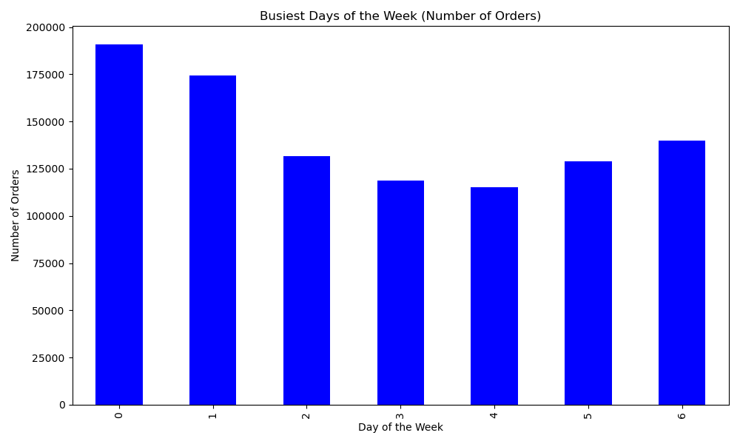
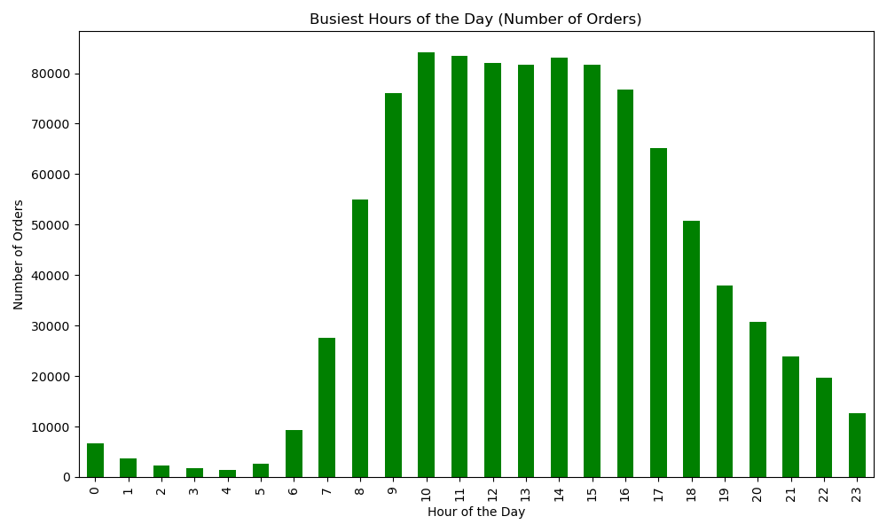

 |  |  | Order day of Week Legend
 |  |  | # | Day
 |  |  | 0 | Saturday
 |  |  | 1 | Sunday
 |  |  | 2 | Monday
 |  |  | 3 | Tuesday
 |  |  | 4 | Wednesday
 |  |  | 5 | Thursday

The busiest days of the week are Saturday and Sunday between the hours of 8 am to 4 pm.

2 | They also want to know whether there are particular times of the day when people spend the most money, as this might inform the type of products they advertise at these times
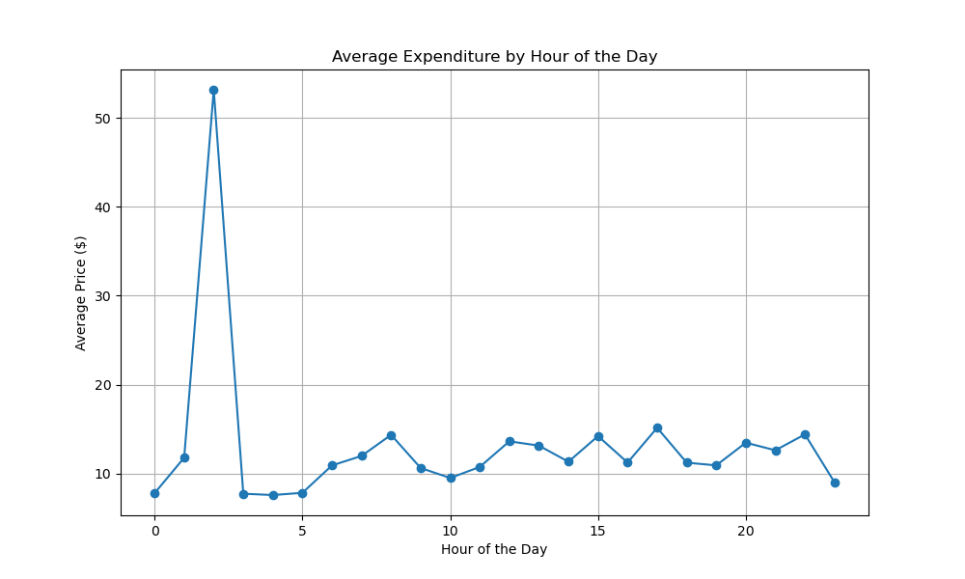

There is a very sharp peak in average expenditure around midnight. This could indicate that some hight-value purchases or orders happen at this time. During regular business hours, between around 8Am to 8 PM, the expediture
seems more baanced, withou major peaks.

 | 3 | Are there certain types of products that are more popular than others? The marketing and sales teams want to know which departments have the highest frequency of product orders.

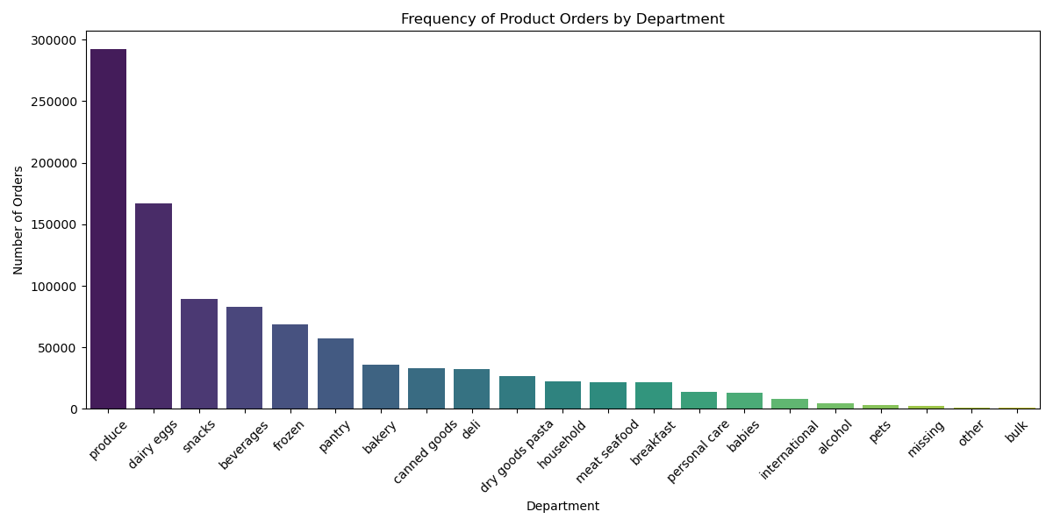

Produce is the most popular products followed by dairy eggs and snacks.

 | 4 | What’s the distribution among users in regards to their brand loyalty (i.e., how often do they return to Instacart)?
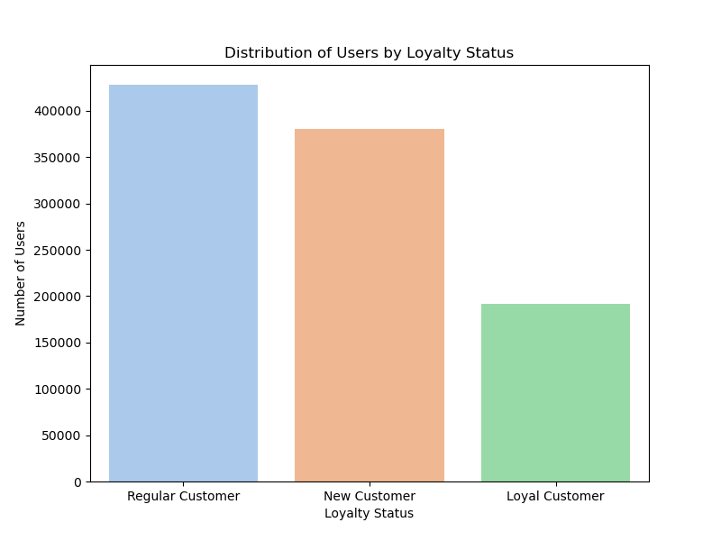

Regular and New customers contribute with the most sales.

5 | Are there differences in ordering habits based on a customer’s loyalty status?


Overall, loyal cutomers are the most valuable in terms of both order frequency and spending, which is critical for targeting marketing strategies ffectively.

6 | Are there differences in ordering habits based on a customer’s region?

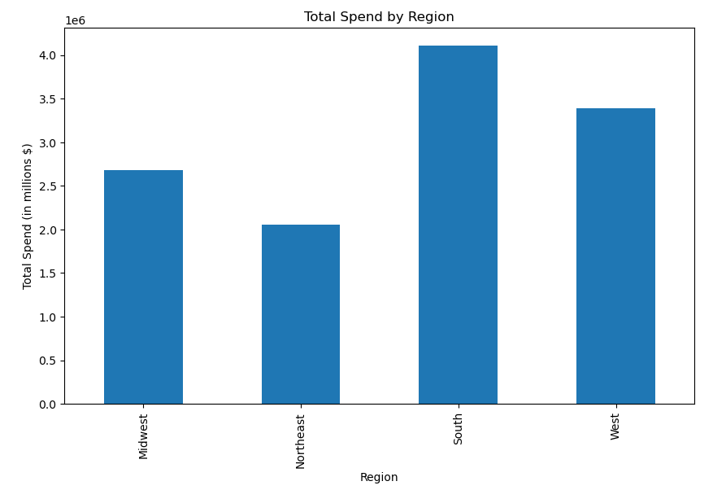

Total Product Orders are more in southern states, may be due to hight population

7 | Is there a connection between age and family status in terms of ordering habits?

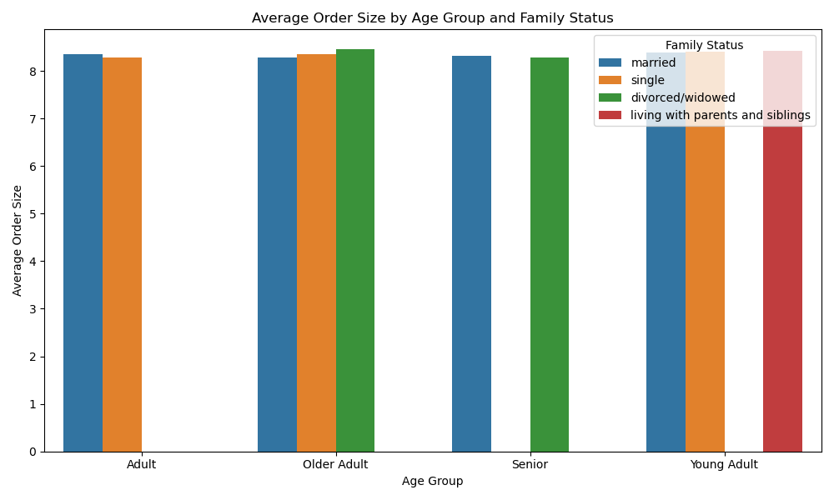
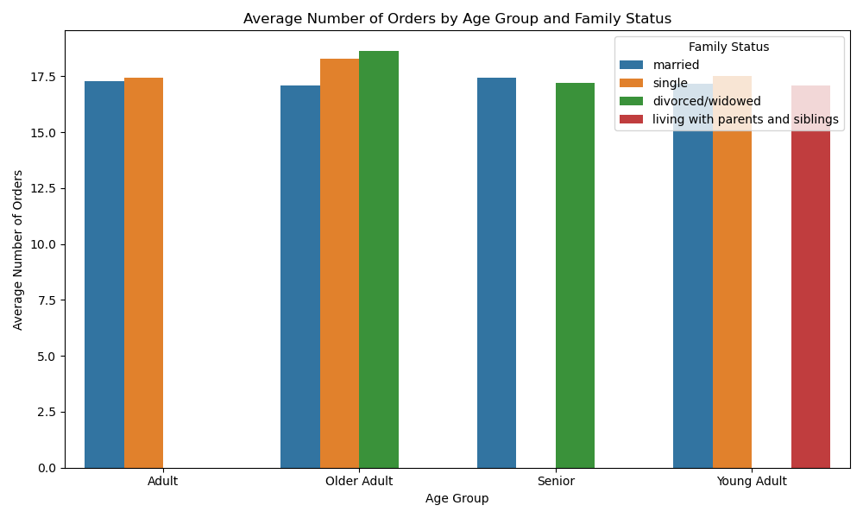
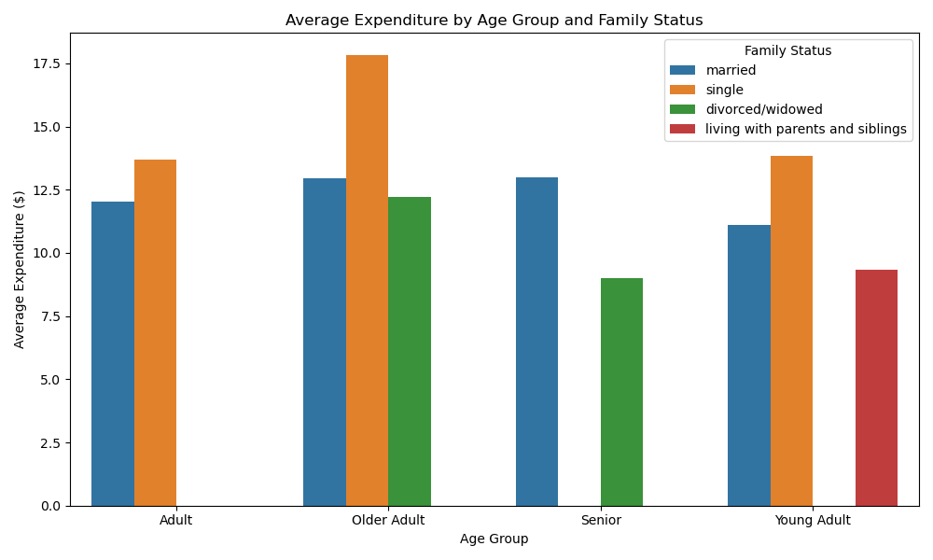

There is a clear connection between age, family, status, and ordering habits. Single an diverced/widowed individuals tend to orde more frequently and spend more per order, especially in the older age categories.

8. What different classifications does the demographic information suggest? Age? Income? Certain types of goods? Family status?

 | Age group Classification

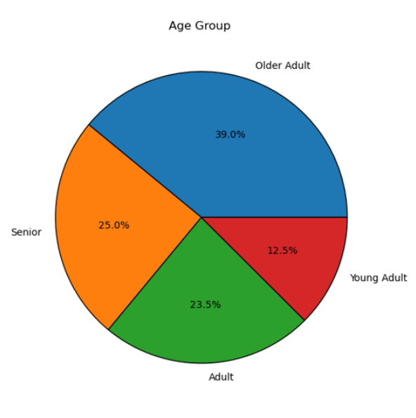
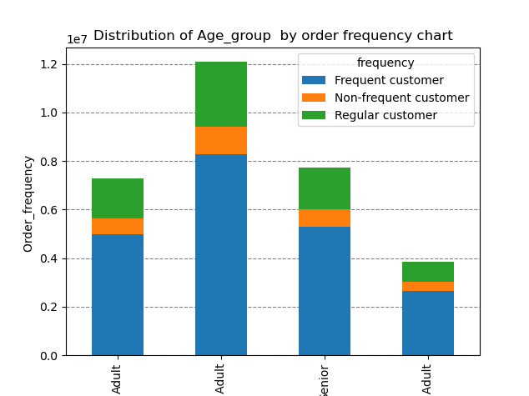
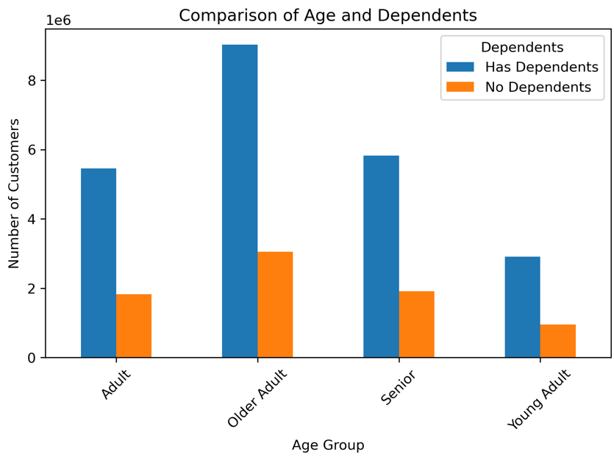
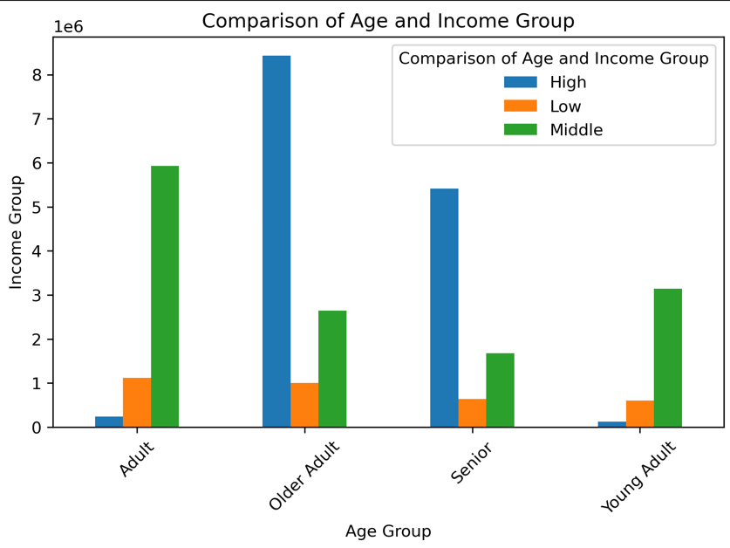

Young
Older
Older adults and Adults are significant customer segments in terms of income and orde frequency, with many having dependents. Maketing strategies that focus on families and premium products could be successful with these group.
Young adults represent a smaller proportion of the customer base, and their income levels are lower. They might benefit from targeted promotions or discounts to increase order frequency and brand loyalty.
Seniors, while having fewer dependents, also demostrate a mix of middle and high-income levels. Specialized products for aging populations could resonate with this group.

 | Income Classification
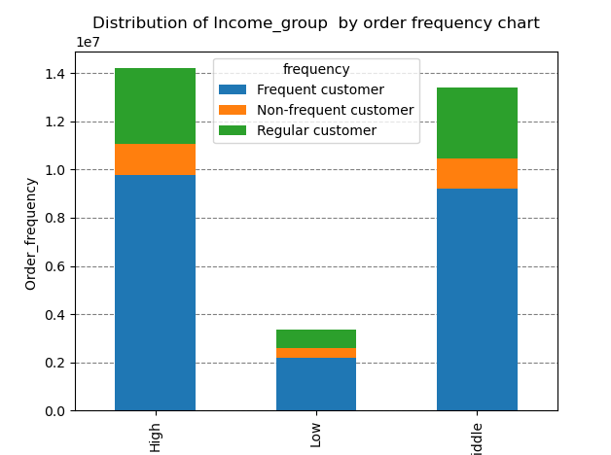
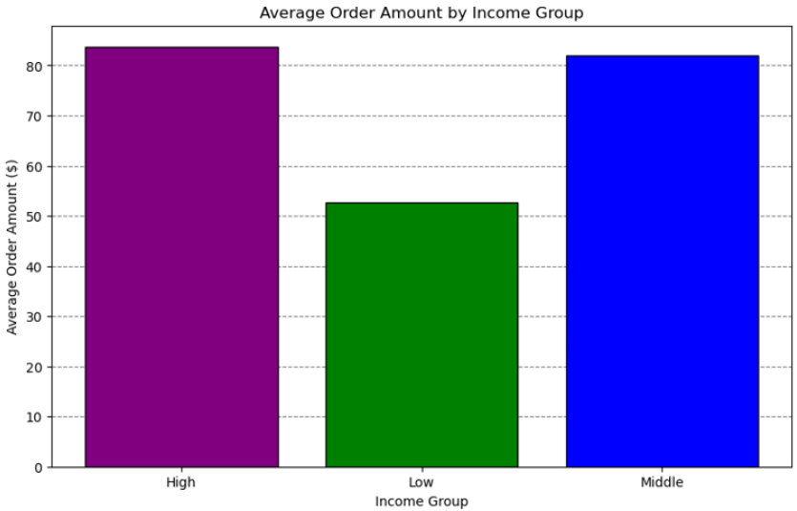
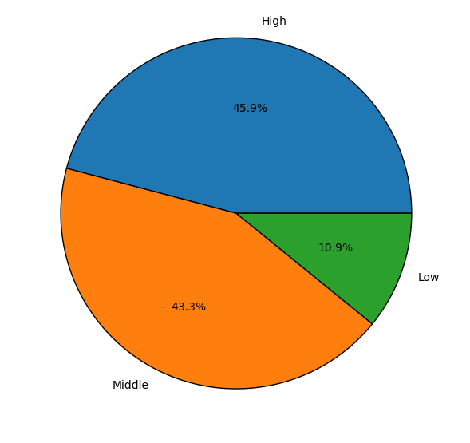

Most of the customers base has a higher spending capacity, which can influence target marketing strategies
The marketing strategies should aime at upselling and premium products to have more feectiveness fr hig and middle-income customers.
High-income customers are more likely to order frequently, suggesting a stronger engagement, while low-income customer show lower engagement and purchasing frequency.

 | Deparment Classification

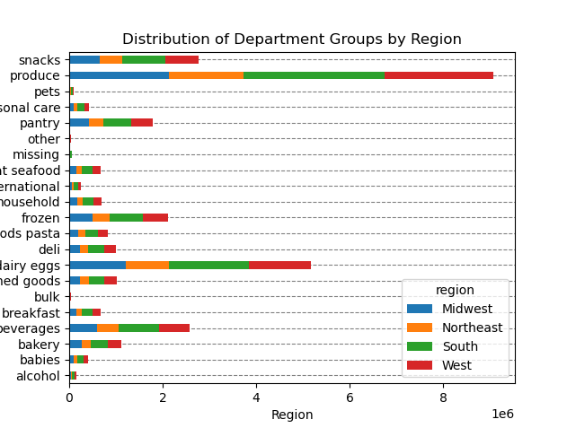
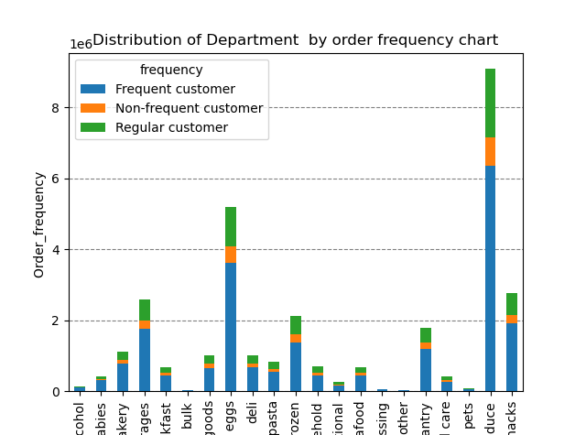
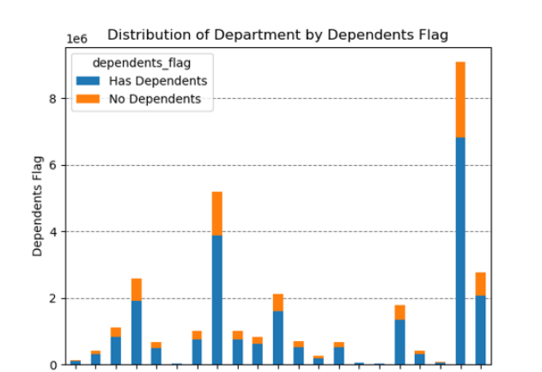
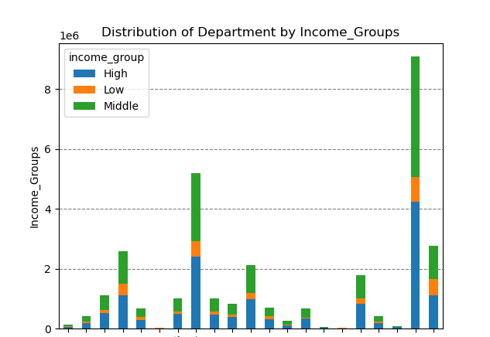
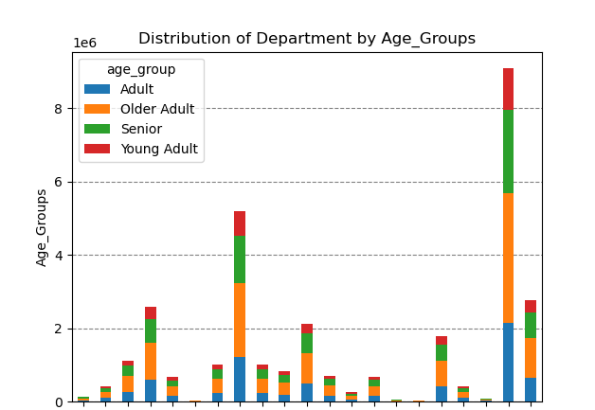


Customers' shopping habits vary significantly based on demographics like family size, income, age, and region, with produce and snacks consistently being the most popular departments.
Hight-income and frequent customer drive more spending, particularly in fresh and convenient goods.
These insight can help tailor marketing strategies and optimize inventory management.

9 | What differences can you find in ordering habits of different customer profiles? consider the price of orders, frequency of orders, products customers are ordering, and anything else you can think of.

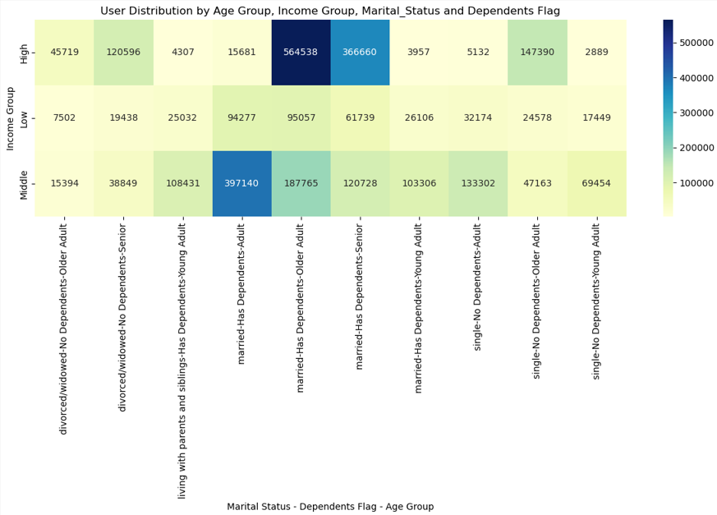

 | The heatmap shows that hight-income married adults with dependent are the largest customer group, making them frequent and high-value orderes. On the other hand, low-income divorced or widowed seniors without dependents represent as much
 | smaller segment, with fewer orders. Midle-income married adults also form a significant part of the customer base, showing vard order frequency across depenednts and marital status. This suggests that marketing shoul target high-frequency, high-value groups,
 | particularly focuing on product categories that appeal to married adults with dependents.

7. Recommendations
 | Title page

Recommendations

Key Question 1: What days of the week and hours of the day are busiest?
The busiest times are Saturday and Sunday from 8 am to 4 pm, with the slowest day being Wednesday between 2 am and 5 am. To increase effectiveness, Instacart should prioritize ad scheduling from 6 am to 8 am and 5 pm to 10 pm, while avoiding early morning or late-night time slots when customer activity is low.

Key Question 2: What times of the day do people spend the most money?
Customers spend the most between 8 am and 4 pm, with peak spending at 9 am. Instacart should concentrate promotions like early-bird discounts during these hours, particularly on slower days such as Tuesday and Wednesday.

Key Question 3: Are there certain types of products that are more popular than others?
The top 5 most popular products are produce, dairy and eggs, snacks, beverages, and frozen food. To maintain customer interest, Instacart should offer targeted discounts on these high-demand categories, while also promoting underperforming departments to boost sales.

Key Question 4: What’s the distribution among users in regards to their brand loyalty?
Regular customers contribute the most to sales, followed by loyal customers, while new customers have the lowest impact. Instacart should focus on converting new customers into regular or loyal customers through welcome promotions, while engaging existing customers with loyalty-based incentives to encourage repeat business.

Key Question 5: Are there differences in ordering habits based on a customer’s loyalty status?
Loyalty status does not significantly affect spending habits, as similar purchasing patterns are observed across all loyalty groups. Customers across all categories prefer mid-range products, with fewer purchases for high-end items. Most orders consist of low or mid-range products, regardless of loyalty status.

Key Question 6: Are there differences in ordering habits based on a customer’s region?
Southern states show the highest product orders, followed by the West, Midwest, and East. Married individuals contribute the most across all regions, particularly those with dependents. Older adults and seniors are the dominant age groups, and high-income customers form the largest spending segment. Instacart should focus more marketing efforts on customers in the South and also target high-spending customers in the West and Midwest.

Key Question 7: Is there a connection between age and family status in terms of ordering habits?
Across all age groups and family statuses, the average expenditure and frequency of orders remain similar. Married individuals are the most frequent buyers, followed by single and divorced/widowed individuals. Those living with parents or siblings have lower purchasing frequency.

Key Question 8: What different classifications does the demographic information suggest?
There is a positive correlation between age and income, with older adults and seniors having higher incomes. Income does not significantly affect the number of orders or the frequency of purchases. Regardless of income group, mid and high-income customers tend to have similar spending patterns, while low-income customers spend less on average.

Key Question 9: What differences can you find in ordering habits of different customer profiles?
Customer behavior is influenced by a combination of age group, marital status, and income level. High-income seniors are key customers across all regions, showing higher spending in the grocery category. Instacart can target this segment through loyalty programs and exclusive promotions. Additionally, promoting niche categories such as personal care or pet products could encourage growth among lower-income customers. Tailored regional marketing strategies should focus on high-income customers in the South and West, while exploring product offerings that appeal to small families across all regions.

